Task
Average Salary( assumption) | €32,185.00
Inflation Rate (ECB policy) | 2% |  |  |  |  |  |  |  |  |  |  | $0.24
Discount Rate | 10% |  |  |  |  | inflows of the project |  |  |  |  |  | material | cost of investment
Evalutation Period in years | 5 |  |  | Year | Revenue | Increment | Marketing | Salary | material | Initial Investment | Financing Payments | Cumilative | Net Cash Flow
Marketing Cost Assumption | 5.00% |  |  | 2018-12-31 | €4,414,254.00 | €0.00 | €0.00 | €321,850.00 | 0 | €488,500.00 | €605,000.00 | -€810,350.00 | -€810,350.00
Scenario 1: |  |  |  | 2019-12-31 | €4,414,254.00 | €0.00 | €0.00 | €321,850.00 | 0 | €4,375,963.92 | €590,000.00 | -€5,508,163.92 | -€4,697,813.92
Initial Revenue | €4,414,254 |  |  | 2020-12-31 | €6,621,381.00 | €2,207,127.00 | €110,356.35 | €321,850.00 | €538,446.38 |  | €575,000.00 | -€3,461,339.65 | €1,236,474.27
After project: | €6,621,381 |  |  | 2021-12-31 | €7,283,519.10 | €2,869,265.10 | €143,463.26 | €321,850.00 | €699,980.29 |  | €60,000.00 | €2,940,445.83 | €1,703,971.56
Annual Growth | 10% |  |  | 2022-12-31 | €8,011,871.01 | €3,597,617.01 | €179,880.85 | €321,850.00 | €877,667.59 |  | €1,260,000.00 | €3,922,190.12 | €2,218,218.57
Additional Costs
Employess | 10
Wage per year | €321,850.00

 | Bank | Private Investment
Loan Interest | 3% | 5%
Loan Principal | €500,000.00 | €1,200,000.00
Scenario 2 | Year 1 | Year 2 | Year 3
Investment | €4,000,000.00 | €4,000,000.00
Revenue growth | 30% | 30% | 15%
Revenue projection | €5,738,530 | €7,460,089 | €8,579,103
Cost
Employes | €643,700.00
Marketing |  |  | €1,000,000.00

 |  |  |  | Year | Revenue | Increment | Marketing | Salary | material | Initial Investment | Financing Payment | Cumilative | Net Cash Flow
 |  |  |  | 2018-12-31 | €5,200,000.00 | €1,200,000.00 | 0 | €321,850.00 | 0 | €4,000,000.00 | €0.00 | -€3,121,850.00 | -€3,121,850.00
Financial metrics | Scenario 1 | Scenario 2 |  | 2019-12-31 | €6,760,000.00 | €2,760,000.00 | 0 | €321,850.00 | 0 | €4,000,000.00 | €0.00 | -€4,683,700.00 | -€1,561,850.00
NPV | -$1,309,275.00 | $4,261,785.73 |  | 2020-12-31 | €7,774,000.00 | €3,774,000.00 | €1,000,000.00 | €321,850.00 | 0 |  | €0.00 | €890,300.00 | €2,452,150.00
IRR | -3% | 35% |  | 2021-12-31 | €8,940,100.00 | €4,940,100.00 | €1,000,000.00 | €321,850.00 | 0 |  | €0.00 | €6,070,400.00 | €3,618,250.00
Payback Period | 3 years | 3 years |  | 2022-12-31 | €10,281,115.00 | €6,281,115.00 | €1,000,000.00 | €321,850.00 | 0 |  | €0.00 | €8,577,515.00 | €4,959,265.00
ROI | -7.184749036 | 79.3245625
Opportuinty Cost | $4,261,785.73 | -$1,309,275.00

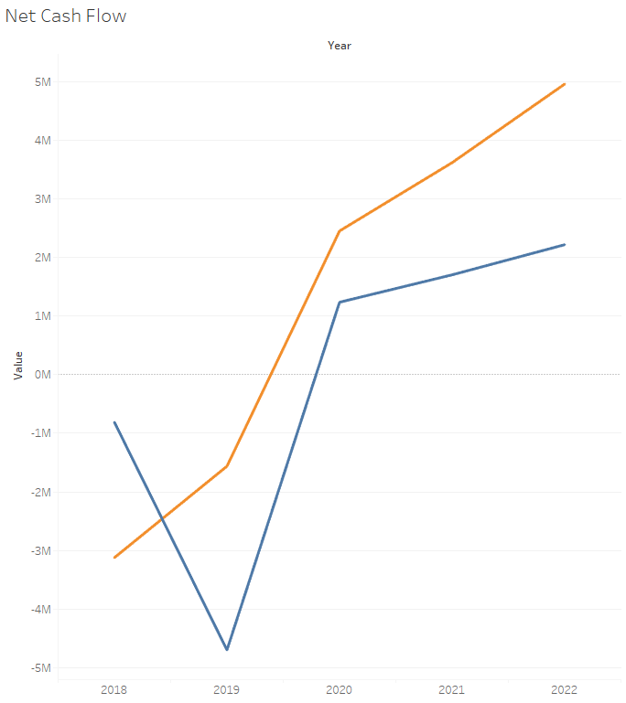
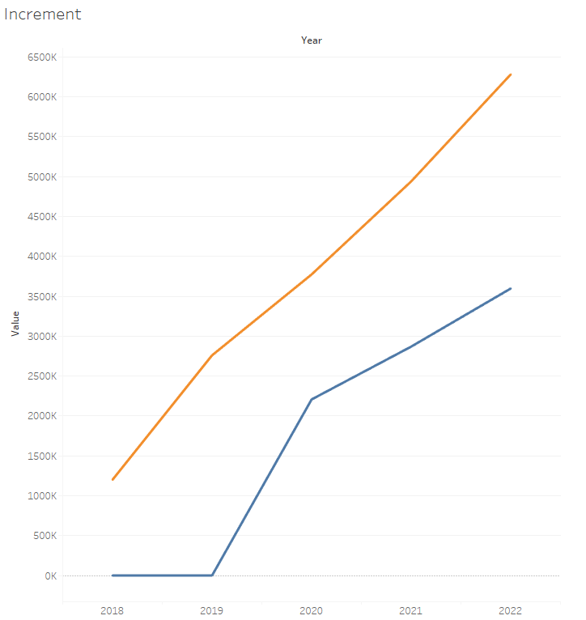

Conclusion

Scenario 1 generates negative NPV and IRR below the discount rate, indicating that the factory expansion project is not financially viable under current assumptions.

Scenario 2 generates positive NPV (€4.26M) and IRR of 35%, significantly exceeding the 10% discount rate.

Scenario 2 — the digital product and marketing strategy — is the financially preferable investment option.

